1. Title Page
[Project Name]

Project Name: Instacart Data Analysis
Date: 15.05.2023
Analyst Name: Alexandra Borschke

Contents:
Population Flow
Consistency checks
Wrangling steps
Column derivations
Visualizations
Recommendations

“The Instacart Online Grocery Shopping Dataset 2017”, Accessed from www.instacart.com/datasets/grocery-shopping-2017 via Kaggle on <08.04.2023>.

2. Population Flow
Title page

Population flow

Exclusion flag
Condition: max_order < 5
Obervations to be removed: 1,440,295
Final total count of order_products_all: 30,964,564

Orders_products_combined
Orders_products_merged
Orders_products_all

Total: 32404859
Total: 32434489
Total: 32404859

1.) The grey boxes in the first row of the population flow represent the original data sets as they were when you downloaded them. In the Total fields you need to add the count of the rows when you imported the data set into Jupyter.
2.) The second row of boxes (coloured) represents the data sets after you manipulated them, e.g., removed missing values and duplicates. In the Total fields you need to add the count of the rows after conducting these operations. This offers a visual oveview of how the data flows throughout the data consistency checks.
3.) The third row, where also the arrows are coloured, represents the merges you performed between the datasets. In the Total fields you need to add the count of the rows in the merged datasets, so that you end up with the final dataset (in the red box). Keep in mind the final dataset should be without exclusions (based on the exclusion flag).

3.Consistency checks
 |  |  |  | Title page
Consistency checks

Dataset | Missing values | Missing values treatment | Duplicates
orders | There are 206209 missing values in the column 'days_since_prior_order'. I assume this can be due to the fact that the users who made these orders had never placed an order before. This was confirmed in 4.10. by using crosstabs. Mine can be found in sheet 8.Crosstable | I did not do anything to them because there are too many values. But I created a subset without the missing values which I just saved. | None
 | 5127 prices were identified as outliers in 4.9 (too high prices, such as 99999 and 14900). | I replaced them with NaNs. Only those prices that were lower than 100$ remained in the data.
products | 16 missing values | created a subset without missing values and continued working with it | 5 were indicated; I dropped them
orders_products_prior | None | No | None
customers | None | No | None

orders_products_merged_finall_with flags_4_8.pkl | median_days_since_prior_order' column: 5 values were missing | Flagged them as 'New customer', and exported into a separate dataset (but did not delete them)

4. Wrangling steps
 |  |  |  | Title page
Wrangling steps

Columns dropped | Columns renamed | Columns' type changed | Comment/Reason
orders.csv
eval_set' |  |  | There were equal values 'Prior' from orders.csv. This data is irrelevant for my analysis
 | order_dow' to 'orders_day_of_week' |  | For clarity
 | order_hour_of_day' to 'orders_time' |  | For clarity
 |  | user_id (int to str) | Since it's not a numerical value and for future merge purposes
 |  | order_id (int to str) | Since it's not a numerical value and for future merge purposes
customers.csv
 | Surnam' to 'Last Name' |  | To be conformed with the column "First name"
First name' |  |  | Due to privacy issues
Last name'
 | n_dependants' to 'Number of dependants' |  | For clarity
 |  | user_id (int to str) | Since it's not a numerical value and for future merge purposes

5. Column derivations
 |  |  |  |  | Title page

Column derivations and aggregations

In this tab you should add tables below that the frequences of flags/label variables that you produced after deriving them. NB: don't do this for continuous variables, only for flags.
Dataset | New column | Column/s it was derived from | Conditions | Frequencies
orders_products_merged_finall_with flags.pkl | price_range | prices | ['prices'] <= 5 then 'Low-range product' ['prices'] > 5 and ['prices'] <= 15 then 'Mid-range product' ['prices'] > 15 then 'High-range product' | 10126321 21860860 417678
 | busiest day | orders_day_of_week | if value == 0 (Saturday) and 1 (Sunday) then 'Busiest day' if value == 3 (Tuesday) and 4 (Wednesday), then 'Least busy' else - 'Regularly busy' | 11864412 7624336 12916111
 | busiest_period_of_day | orders_time | from 9am till 4pm - 'Most orders' from 11pm till 6 am - 'Fewest orders' else - 'Average orders' | 21118071 1289137 9997651

orders_products_merged_finall_with flags_4_8.pkl | max_order | max order_number grouped by user_id | Maximum number of orders were aggregated and grouped by user_id
 | loyalty_flag | max_order | if 'max_order' > 40 then 'Loyal customer' if 'max_order' <= 40 and > 10 then ''Regular customer' if 'max_order' <= 10 then 'New customer' | 10284093 15876776 6243990
 | mean_prices | mean prices grouped by user_id | Mean prices were aggregated and grouped by user_id
 | spender_type | mean_prices | if ['mean_prices'] >=10 then 'High spender' if ['mean_prices'] < 10, then 'Low spender' | 31770614 634245
 | median_days_since_prior_order | days_since_prior_order | Median days since prior order were aggregated and grouped by user_id
 | user_activity | median_days_since_prior_order | if ['median_days_since_prior_order'] > 20, then 'Non-frequent customer' if ['median_days_since_prior_order'] > 10 and <= 20, then 'Regular customer' if ['median_days_since_prior_order'] <= 10, then 'Frequent customer' if ['median_days_since_prior_order'].isna(), then 'New customer' (Note my logic: if there are no days since prior order but the customer is new; I do not consider them in my visualizations ) | 3636437 7208564 21559853 5

ords_prods_cust_merge_4.10.pkl | Region | STATE | beforehand, the states were organized in 4 lists (=region names) if ['STATE'].isin(northeast), then 'Northeast' if ['STATE'].isin(midwest), then 'Midwest' ['STATE'].isin(west), then 'West' ['STATE'].isin(south), then 'South' | 5722736 7597325 8292913 10791885
 | Number of orders | order numbers grouped by user_id | order numbers grouped by user_id
 | Customer activity | Number of orders | if ['Number of orders'] < 5, then 'Low' if ['Number of orders'] >= 5, then 'High' Note: Data relating to low customer activity (1,440,295 observations) were deleted from the dataset and saved in a separate file "low_customer_activity.pkl" | 1440295 30964564
 | Customer age group | Age | if ['Age'] < 34, then 'Young adult' if ['Age'] >= 34 and <= 49, then 'Adult' if ['Age'] >= 50 and <= 65, then 'Middle-aged' if ['Age'] > 65, then 'Senior' | 7757465 7790824 7685441 7730834
 | Customer income group | income | if ['income'] < 70000, then 'Low income' if ['income'] >= 70000 and <= 110000, then 'Average income' if ['income'] > 110000 and <= 200000, then 'High income' if ['income'] > 200000, then 'Extremely high income' | 8520533 10873895 11315994 254142
 | Family type | Number of dependants | if ['Number of dependants'] == 0, then 'Childless family' if ['Number of dependants'] > 0 and <= 2, then 'Nuclear family (1-2 kids)' ['Number of dependants'] >= 3, then 'Large family' | 7739681 15452367 7772516
 | Food preferences | department_id | if value in [12,16] **meat seafood / dairy eggs**, then 'Non-vegan' else 'Other' Note: the idea here is to indicate those who are NOT vegans and buy meat and seafood that are quite costly products | 5851963 25112601

6. Visualizations
 |  |  |  |  |  |  |  | Title page

Visualisations

In this tab you should include all the visualtions from Exercises 4.9 and 4.10, alongside the questions from the project brief that they answer. Include any commentary on the relationship between different variables.

 | Business Question (BQ) 1. The sales team needs to know what the busiest days of the week and hours of the
 | day are (i.e., the days and times with the most orders) in order to schedule ads at
 | times when there are fewer orders.

 | The busiest days of week for Instacart orders

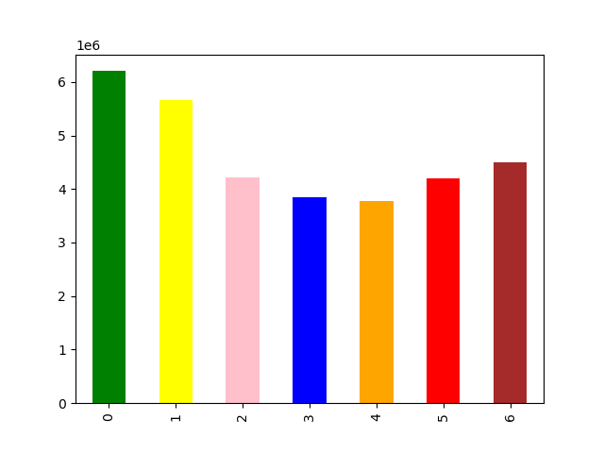

 |  |  | 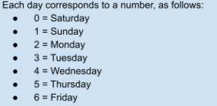 |  | Comment: The busiest days are Saturday and Sunday. The least busy days are Tuesday and Wednesday.

 |  |  |  |  |  | Groupings of orders depending on time of the day

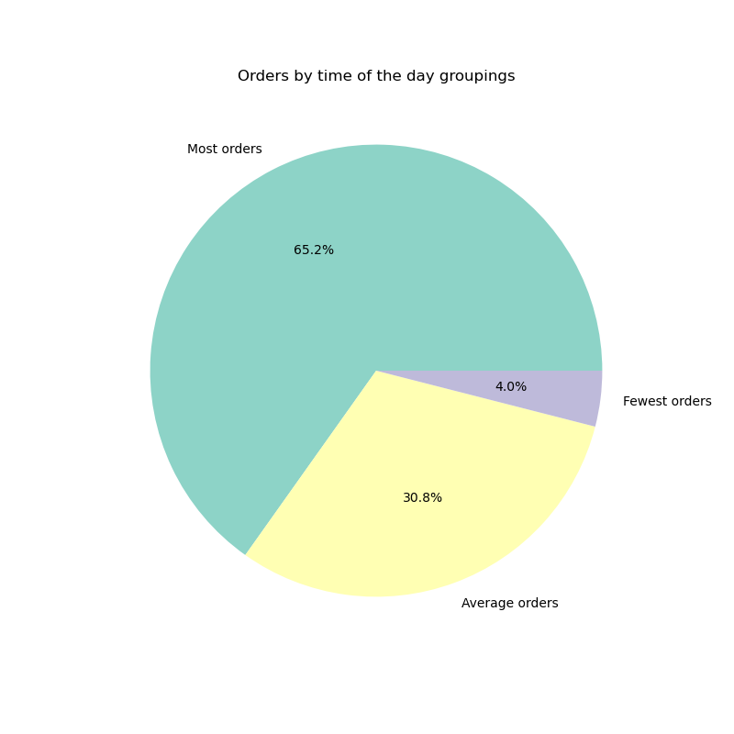


 | The busiest time during the day for Instacart
 |  |  |  |  |  |  |  | Legend:
 |  |  |  |  |  |  |  | from 10am till 4pm - 'Most orders' from 11pm till 6 am - 'Fewest orders' else - 'Average orders'

 |  |  |  | Comment: The histogram shows that most of the orders happened between 10 am and 4 pm, with the peak at 10 am. |  |  |  | Comment: 65,2% of orders happened between 10 am and 4pm

 | BQ 2. They also want to know whether there are particular times of the day when people
 | spend the most money, as this might inform the type of products they advertise at
 | these times.

 |  |  |  |  |  | Spendings changes during a week
 | Spendings change during order times (hours of the day)
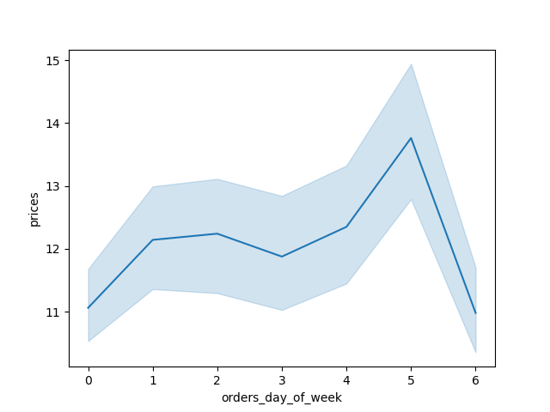

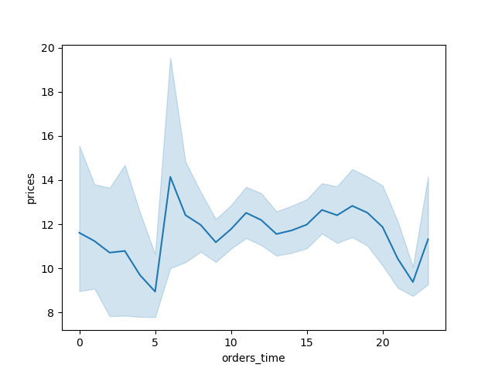
 |  |  |  | Comment: users tend to buy more expensive items early in the morning, approx. between 6 and 7 am. Between 8am and 8pm there is no significant change in prices, from 8pm till 10pm people tend to buy cheaper items.
 |  |  |  |  |  |  |  | Comment: On Friday and Saturday, users tend to buy cheaper items, whereas as on Thursday prices get higher.

 | BQ 3. Instacart has a lot of products with different price tags. Marketing and sales want to
 | use simpler price range groupings to help direct their efforts.

 | Price ranges of products |  |  |  |  |  | Types of spenders

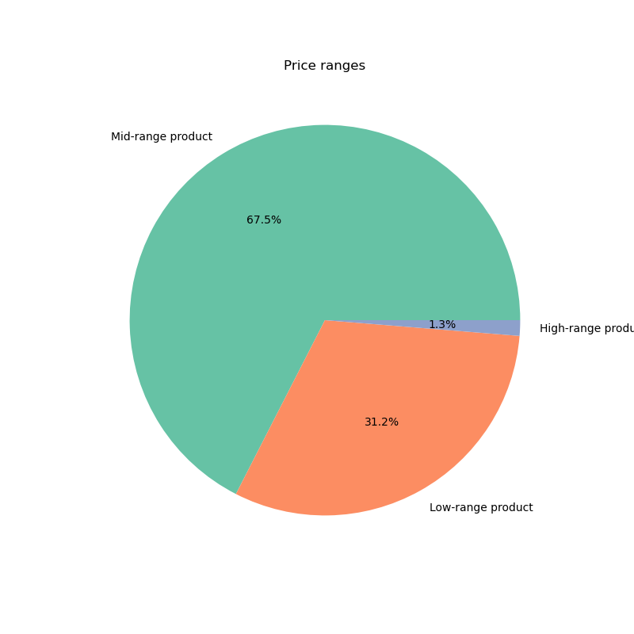

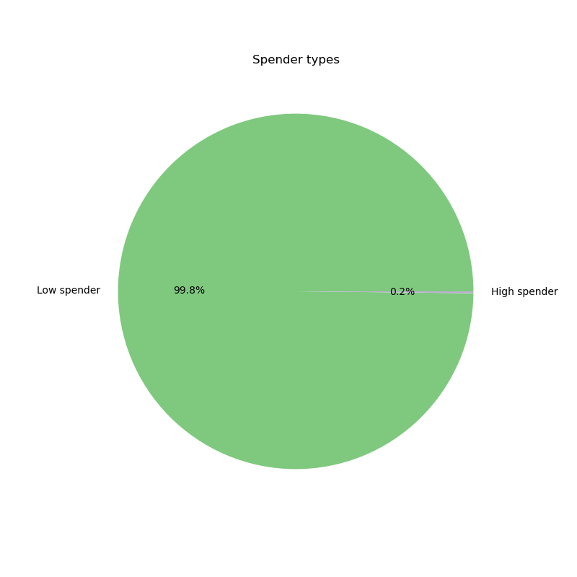

 |  |  |  |  | Legend: |  |  |  |  | Legend:
 |  |  |  |  | ['prices'] <= 5 then 'Low-range product' ['prices'] > 5 and ['prices'] <= 15 then 'Mid-range product' ['prices'] > 15 then 'High-range product' |  |  |  |  | if ['mean_prices'] >=10 then 'High spender' if ['mean_prices'] < 10, then 'Low spender'
 |  |  |  |  | This pie chart shows the division between different types of sold products depending on the price. Most of the products that were sold were mid-range products (67,5%), which are those between 5$ and 15 $ per item. 31,2% are low-range products, those that are cheaper or equal 5$, only 1,3% consitute expensive items. |  |  |  |  | This pie chart demonstrates the division of users between low and high spenders depending on the mean prices.
 |  |  |  |  |  |  |  |  |  | There are 99,8% of users who prefer to pay less than 10$ for an item

 | BQ 4. Are there certain types of products that are more popular than others? The marketing
 | and sales teams want to know which departments have the highest frequency of
 | product orders.

 | Products (departments) by popularity

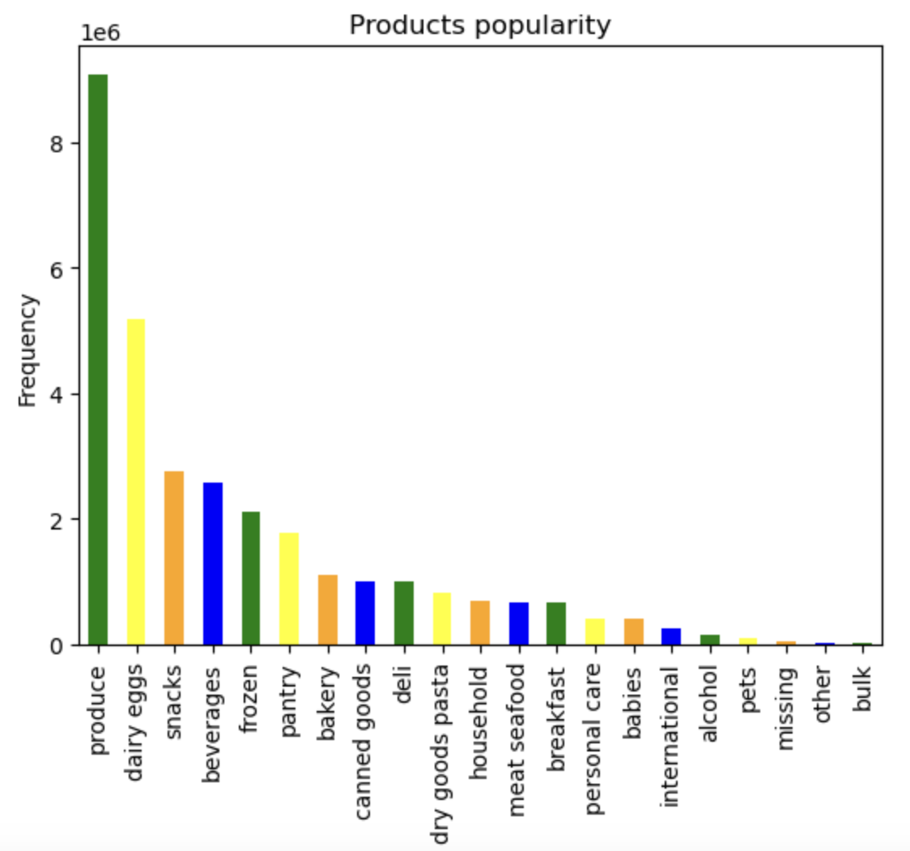
 |  |  |  |  | The bar chart shows that there are 6 most popular product departments. Produce is the most popular one, with more than 8mln items sold, followed by dairy eggs (about 5mln items), snacks and beverages (ca.2-2,5 mln items), and frozen and pantry products. The least popular products belong to the departments bulk, other, pets.

 | BQ 5. What’s the distribution among users in regards to their brand loyalty (i.e., how
 | often do they return to Instacart)?

 |  |  |  |  |  |  |  |  |  |  | User activity |  | User activity by unique user_id
 | Brand loyalty |  |  |  |  |  | Brand loyalty by unique user_id
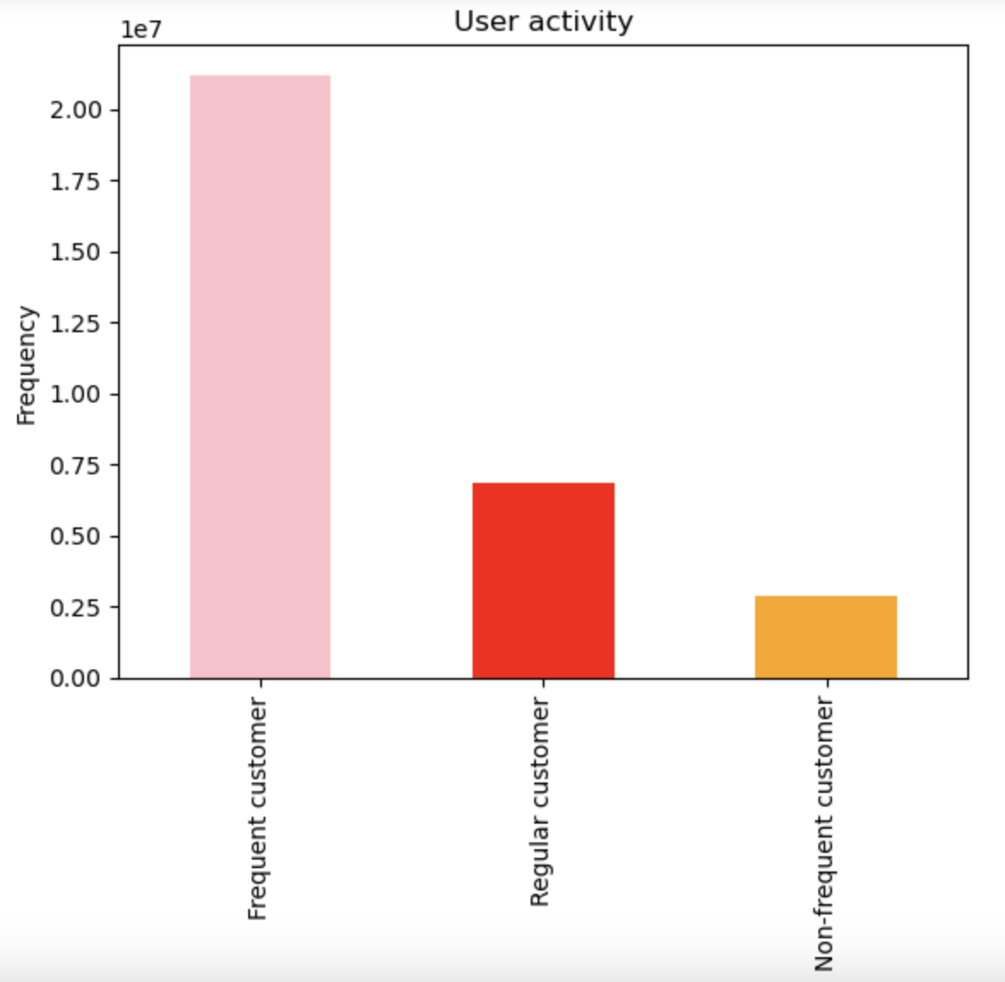
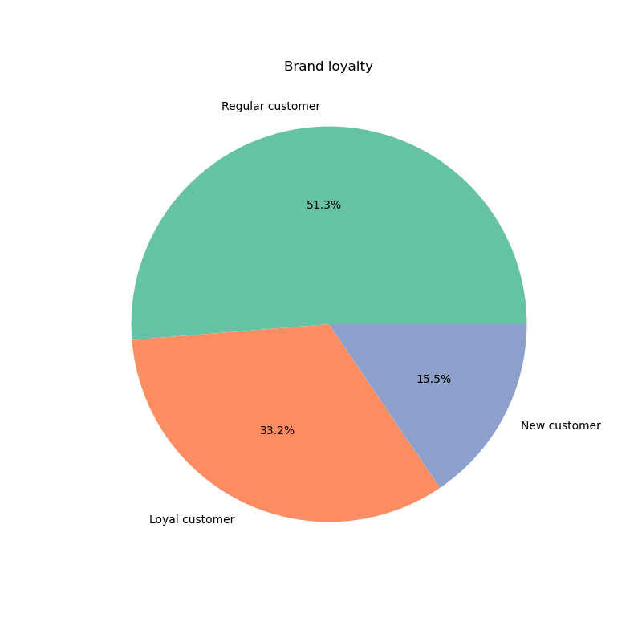
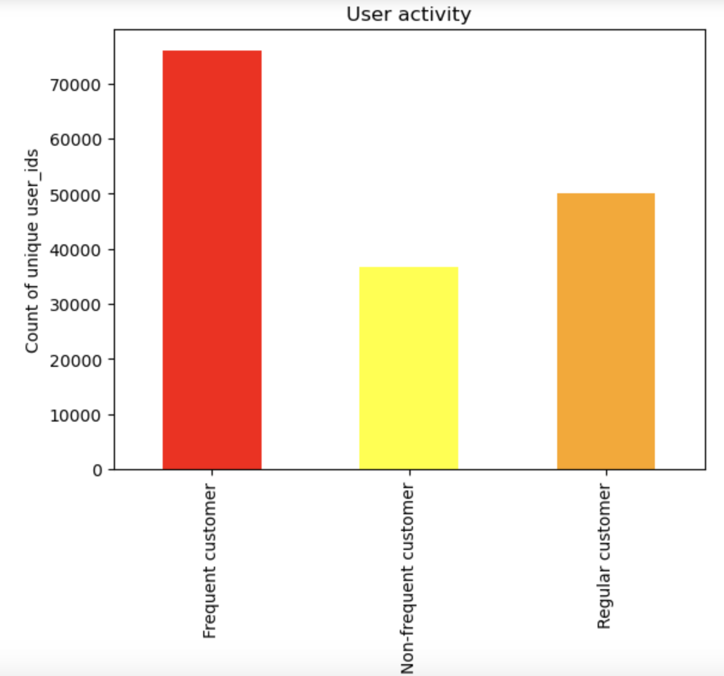
 |  |  |  |  |  |  | The analysis of brand loyalty by unique user_id is included into this report since it produced different results from the analysis of brand loyalty by number of customers
 |  |  |  |  | Legend:
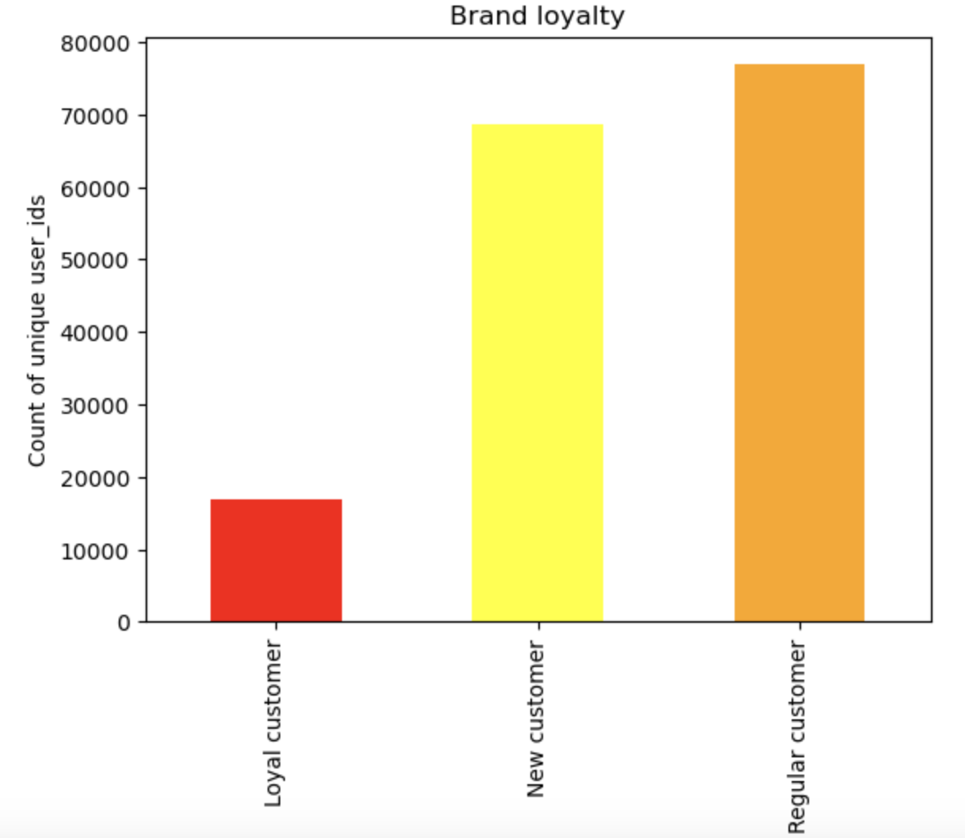
 |  |  |  |  | if 'max_order' > 40 then 'Loyal customer' if 'max_order' <= 40 and > 10 then ''Regular customer' if 'max_order' <= 10 then 'New customer' |  |  |  | In the original orders chart, regular is the highest, then loyal at ~60% of regular, then new at ~30% of regular. However, in the new .nunique() chart, the numbers are Loyal customer: 17017 New customer: 68750 Regular customer: 76864. The greatest segment is still the regular users, but the number of new customers is almost equivalent now, compared to before when it was 1/3 the value. This could imply to the company that they have a largely untapped new customer segment and should prioritize converting them to regular customers by trying to understand what the average user's habits are. |  |  | if ['median_days_since_prior_order'] > 20, then 'Non-frequent customer' if ['median_days_since_prior_order'] > 10 and <= 20, then 'Regular customer' if ['median_days_since_prior_order'] <= 10, then 'Frequent customer' |  | There are some differences with the analysis of user activity in absolute numbers of customers. The greatest segment is still the frequent users, but the number of regular customers is more than a half of frequent users now, compared to before when it was 1/3 the value. This could imply to the company should prioritize converting regular customers to frequent customers by trying to understand what the average user's habits are. Moreover, non-frequent customers constitute 1/2 of frequent customers (in the analysis with absolute numbers they constituted only 1/6), which means that the company has a large segment of non-frequent customers that should be paid attention to and converted first to regular customers by looking at the average user habits.

 |  |  |  |  | There are more than a half of regular customers on the platform. New customers constitute the smallest part. Loyal customers that ordered more than 40 times are 33,2%. In general, the brand loyalty is high: about 85% |  |  |  |  |  |  | The bar chart shows that most of the customers are frequent, which means that more than 2mln time orders were made in the next 10 days after the last order. Regular customers (those whose median number of days since prior order are between 10 and 20) are represented by almost 0,75mln observations.

 | BQ 6. Are there differences in ordering habits based on a customer’s loyalty status?

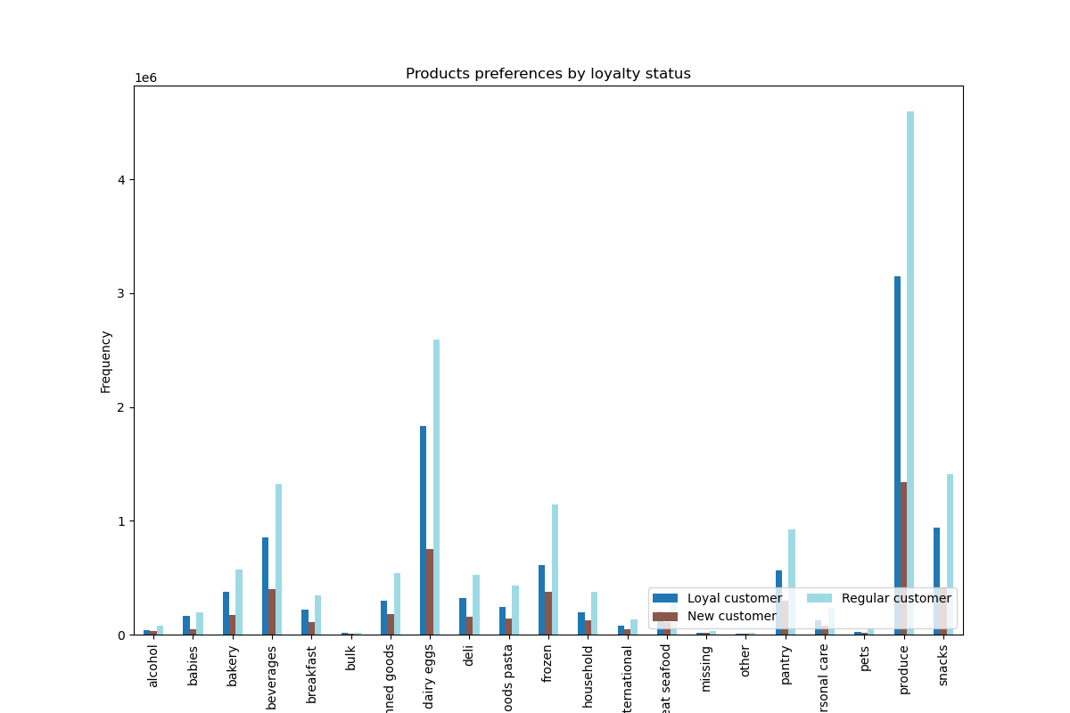
 | Brand loyalty and product preferences
 |  |  |  |  |  |  |  | Brand loyalty and spender type

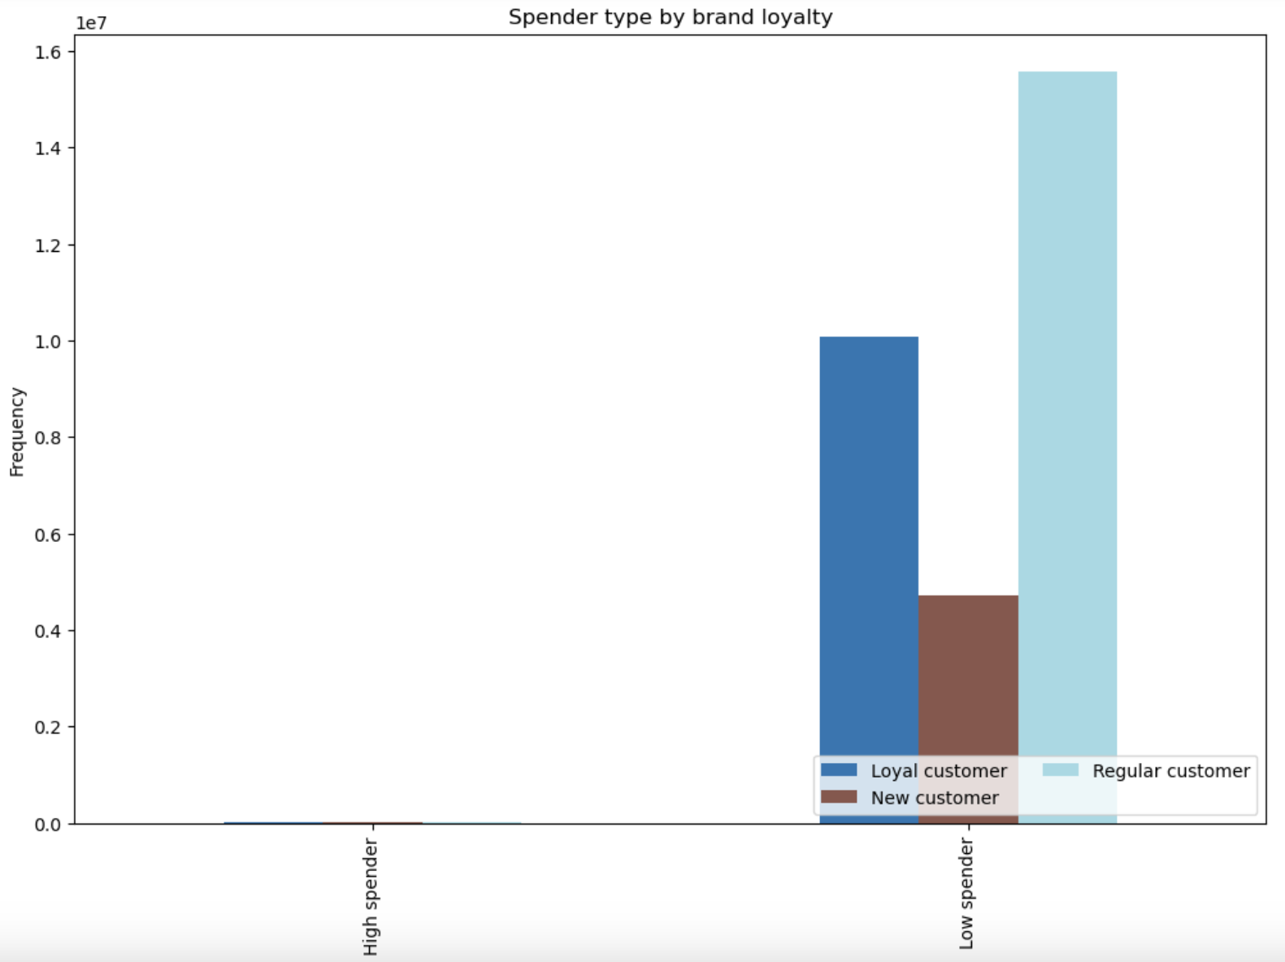

 |  |  |  |  |  | Comment: Loyal customers often order produce, beverages, dairy eggs, frozen food and snacks. New and loyal customers also order produce most of the time, and dairy eggs as well. In general, item types that all groups prefer the most are similar across the groups. I conclude that loyalty does not play a big role when choosing specific products. |  |  |  |  | Comment: most of the low spenders are represented by regular customers, followed by loyal customers.

 |  | Brand loyalty and user activity |  |  |  |  |  | Brand loyalty and price ranges
x

 |  | 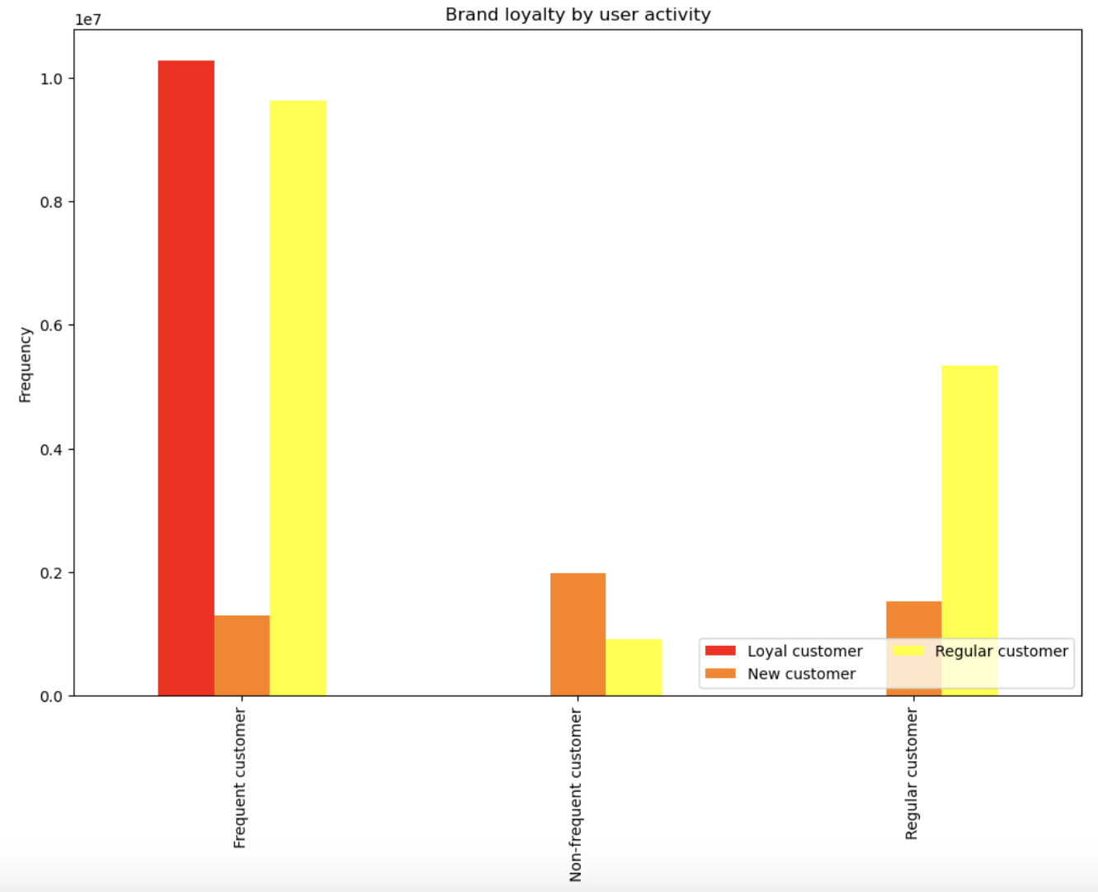 |  |  |  | Frequent customers are represented by most of the loyal (slightly more than 1mln observations) and regular customers (slightly less than 1mln observations). Frequent and loyal customers are those who ordered within the next 10 days after their last orders and made more than 40 orders (frequent/loyal) in total; Frequent and regular customers who ordered within the next 10 days after their last orders and made between 10 and 40 orders in total. New customers are more of non-frequent customers. That menas that they made less than 10 orders in total and waited in general 20 days after their last orders. Regular customers (who made between 10 and 40 orders) constitute the biggest part of the regular user-activity customers (those who ordered after 10 - 20 days after their last orders). | 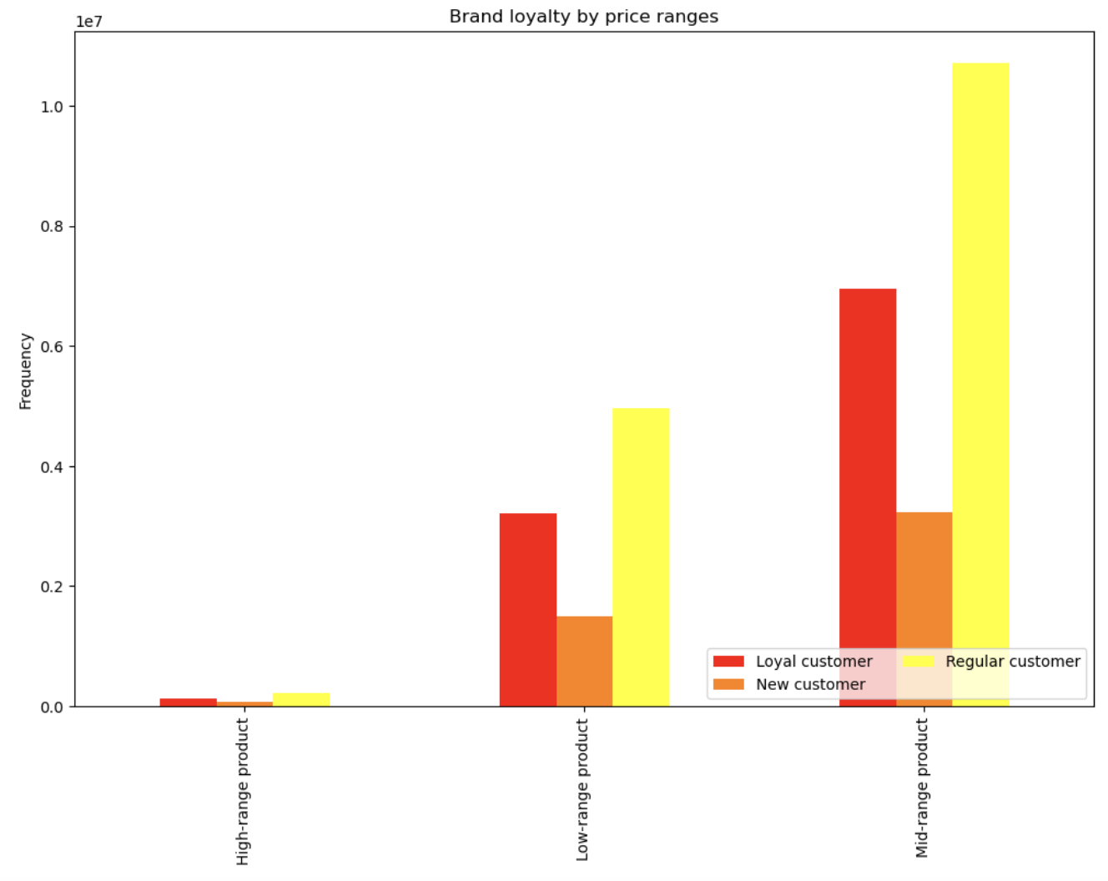 |  |  |  | Most of the users of all loyalty types prefer to buy mid-range products. Especially regular customers (more than 1mln observartions), followed by loyal customers (about 0,7mln observations). New customers represent about 0,3mln observations. Low-range products are distributed as follows: 0,5mln observations are represernteed by regular customers, 0,3mln - by loyal customers, and 0,1mln by new customers. High-range products are not very much in favour by all loyalty groups. In general, it seems that prices do not influence loyalty very much.

 |  | BQ 7. Are there differences in ordering habits based on a customer’s region?

 | Regions and brand loyalty |  |  |  |  |  |  | Regions and user activity
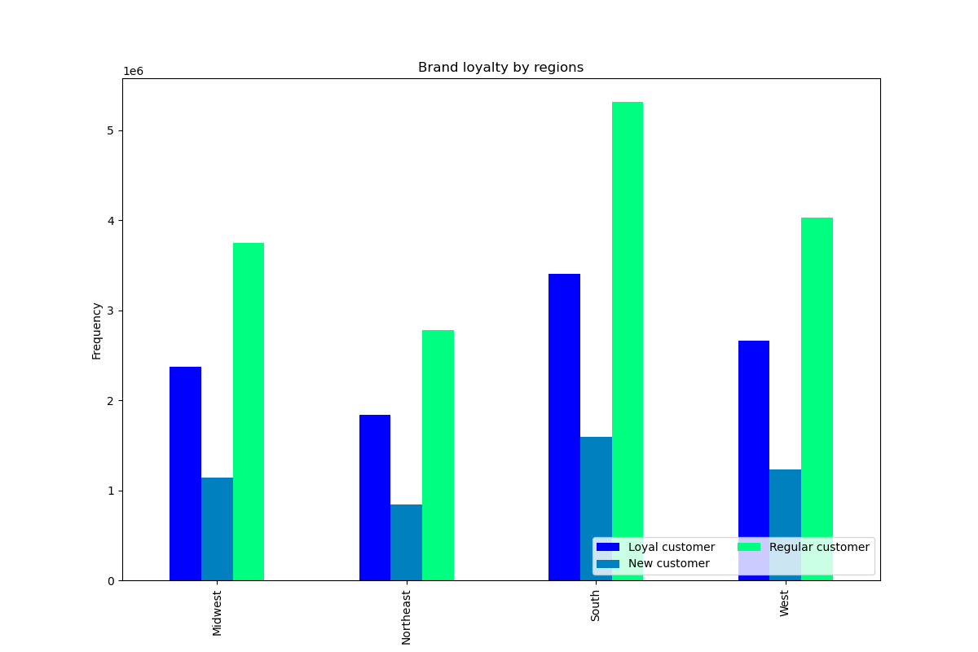

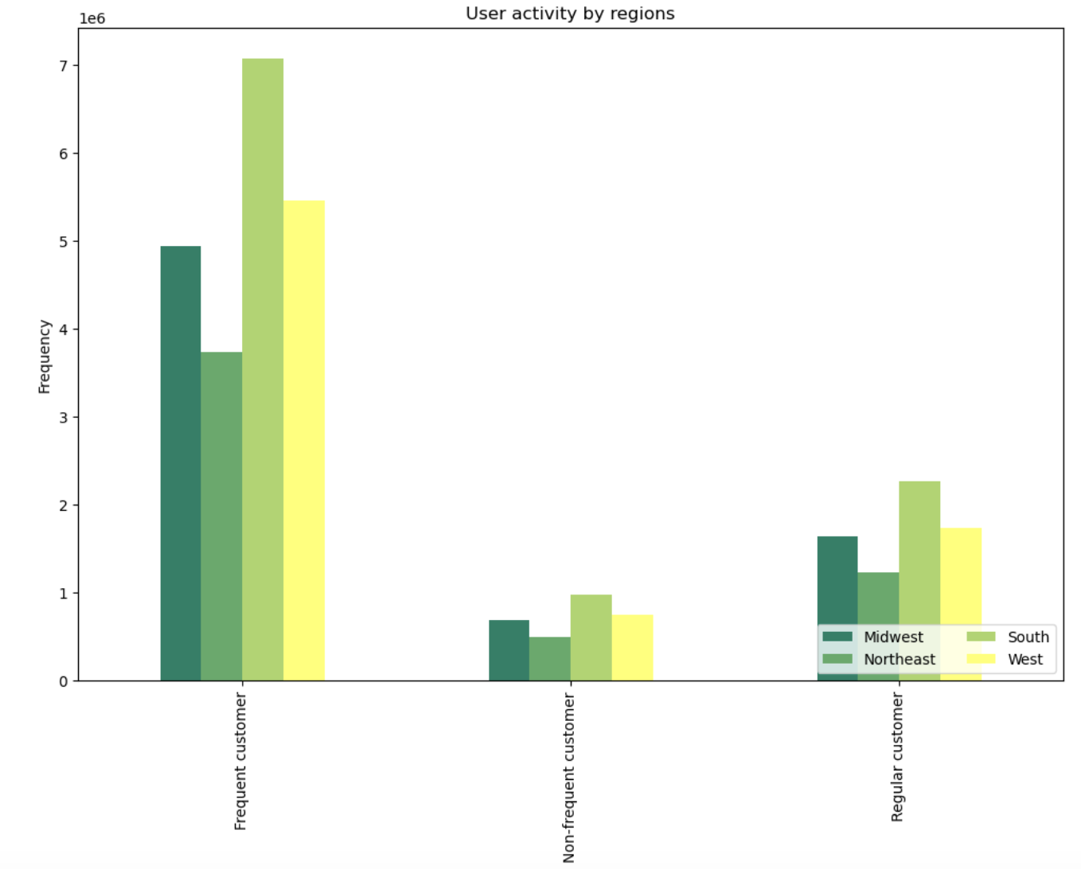

 |  |  |  |  | Comment:in each region, loyalty groups are distributed proportionally equaly. South has most of the regular customers, as well as of other groups. I don't think that location influences the brand loyalty much. |  |  |  |  |  | Again, here I cannot see any influence of regions on user activity. The number of user activity types are proportional to the numbers of users that live in the regions.

 | Regions and spender types
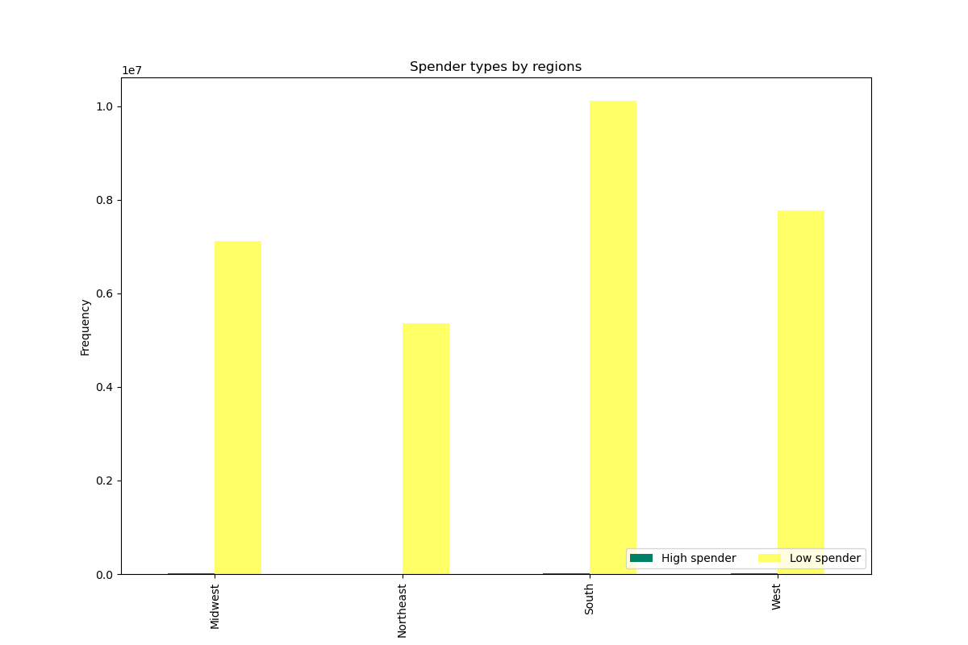

 |  |  |  |  | Comment: regions seem not to influence buying habits, as we can see that lower spenders kind of correspond to the proportions of all customers in the regions. Since the most customers live in South, the highest number of low spenders live here too.

 | 10. Connection between customers' age and number of dependants

 |  | BQ 8. Is there a connection between age and family status in terms of ordering
 |  | habits?



 |  |  |  |  | There are more dependants of the people of age 60 and approx. 65. Between 20 and 60, the number of dependants is lower. However, there is no big tendency here. No strong relantionship can be seen between the two variables.

 |  | BQ 9. What different classifications does the demographic information suggest?
 |  | Age? Income? Certain types of goods? Family status? |  |  |  |  |  |  |  |  | Correlation between income and age


 | Customer age groups
 |  |  |  |  |  |  | Customer income groups

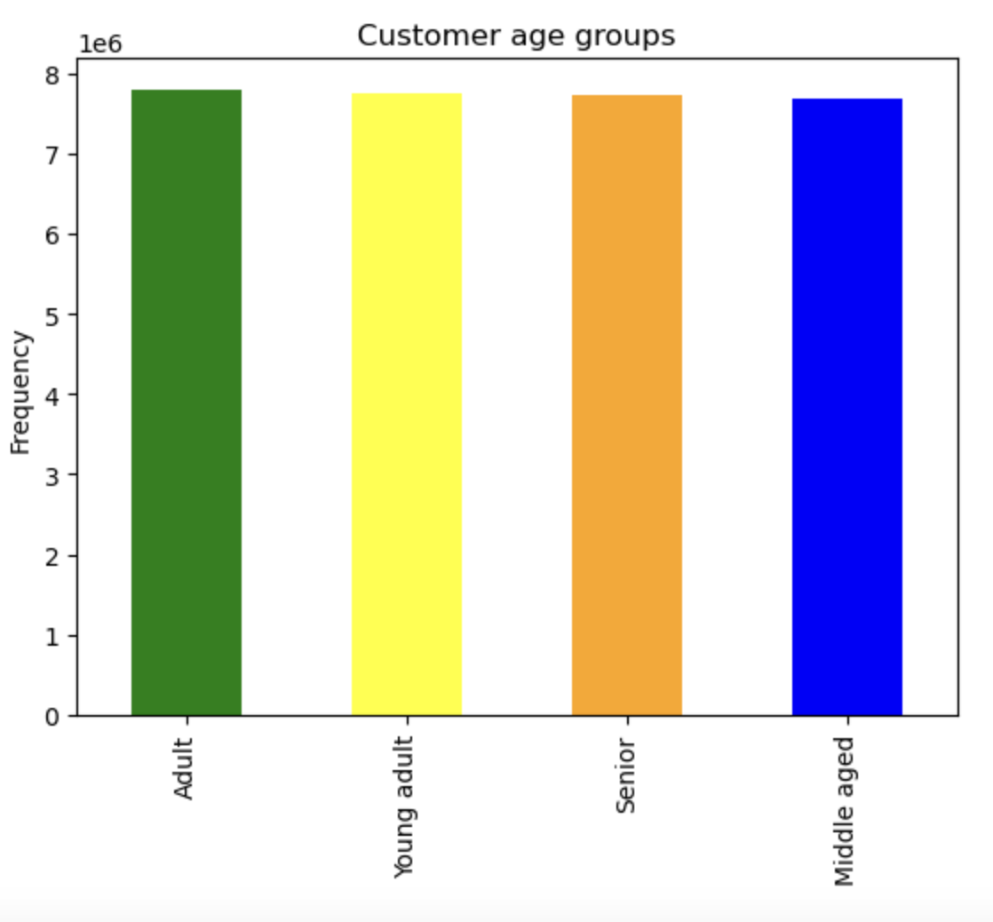
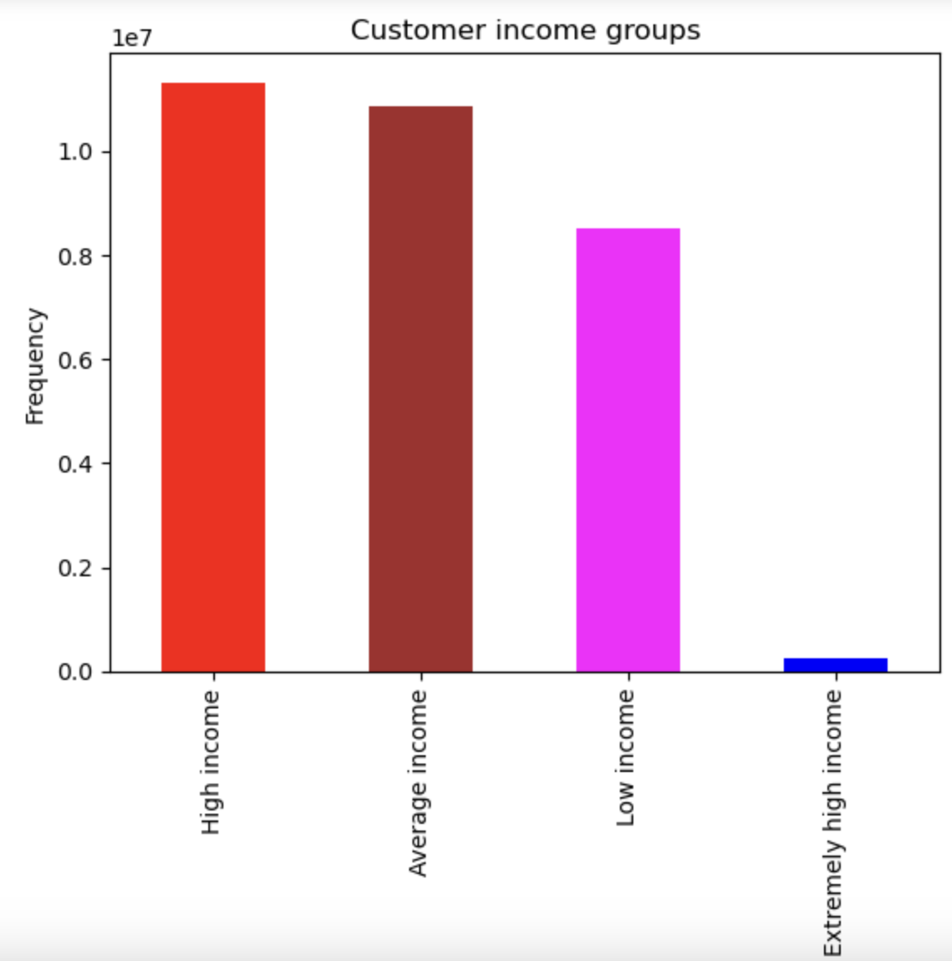
 |  |  |  |  |  |  |  |  | if ['income'] < 70000, then 'Low income' if ['income'] >= 70000 and <= 110000, then 'Average income' if ['income'] > 110000 and <= 200000, then 'High income' if ['income'] > 200000, then 'Extremely high income' |  |  |  | The chart shows the correlation between age and income. Starting with age 40, income gets higher: there is a big proportion of people earning between 200,000 and 300,000 who are between 40 and 80 y.o..There are no people who earn more than 400,000 and who are younger than 40. However, there is a proportion of 20-40 y.o. people who earn between 200,000 and 400,000. Nevertheless, the majority of incomes still lie under 200,000.
 |  |  |  |  | Comment: the age groups are almost equal in their sizes.
 |  |  |  |  |  |  |  |  | The majority of the customers have a high or average income, followed by low income. Extremely high income is met very seldom in the data

 | Family types |  |  |  |  |  | Food preferences |  |  | Food preferences by unique user:id

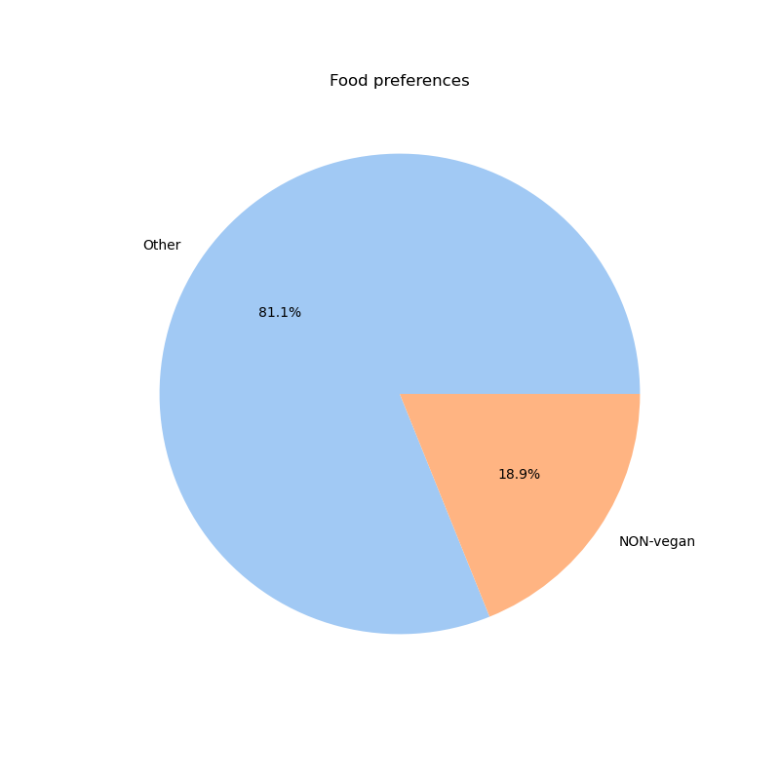
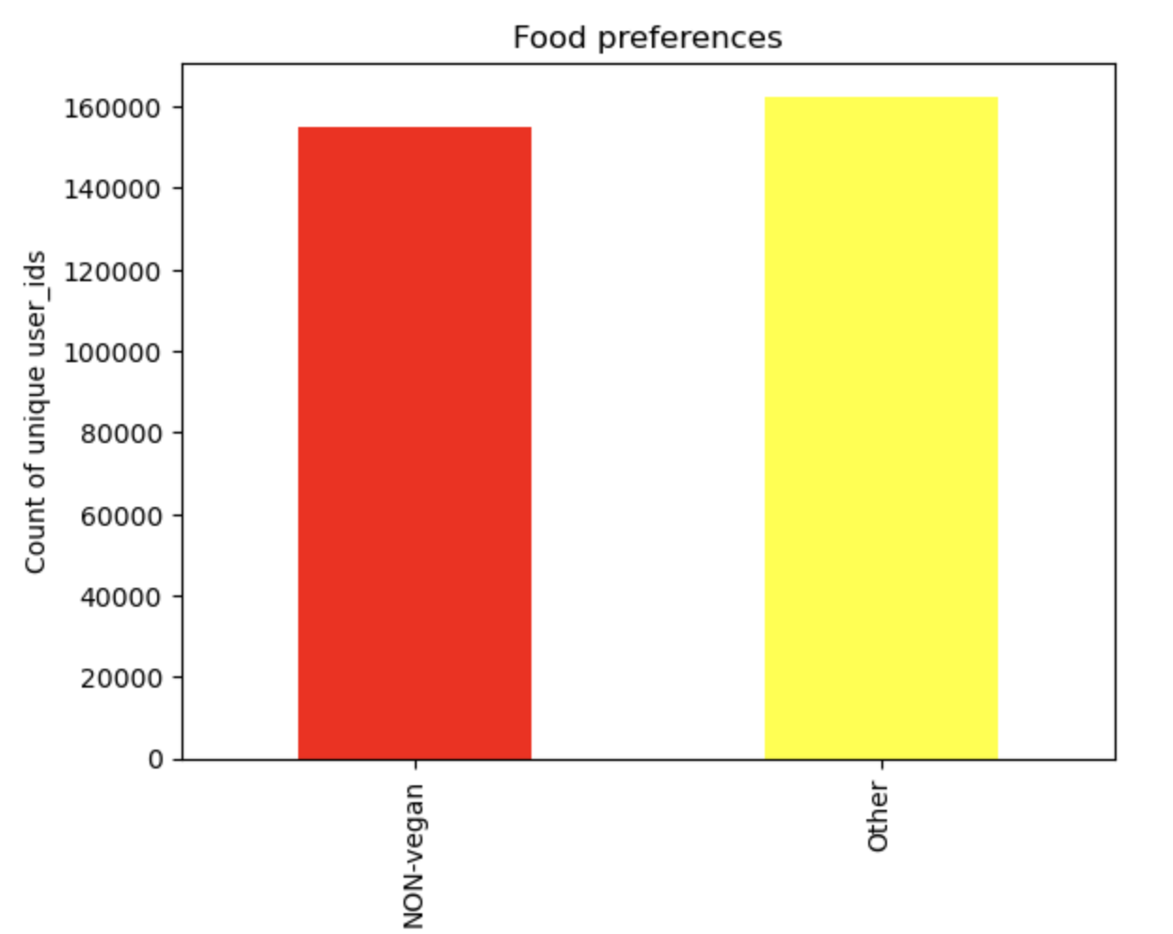
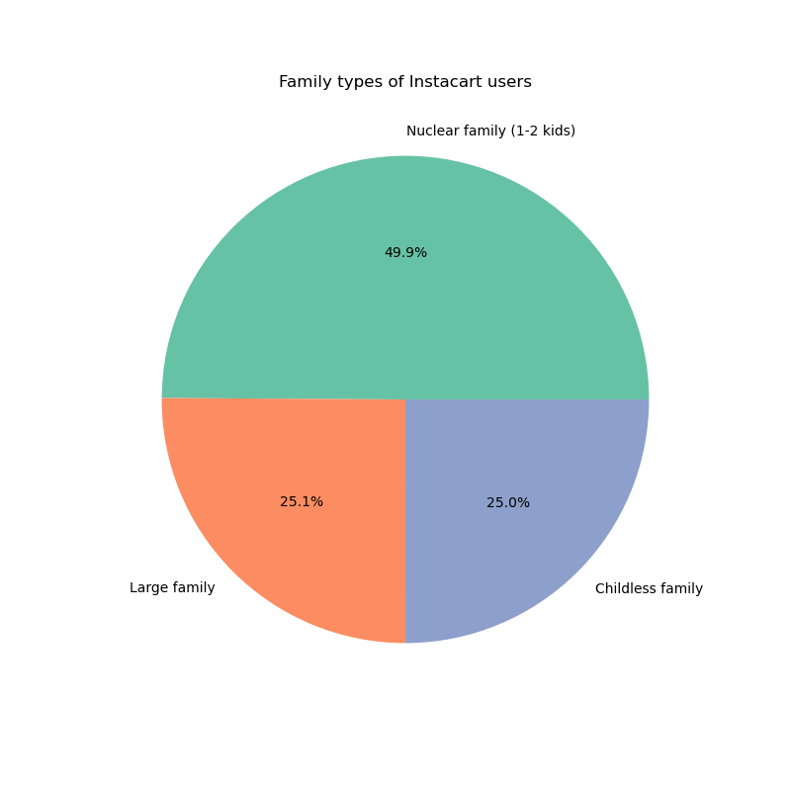

 |  |  |  |  |  |  |  |  | Comment: only about 19% of orders feautured meat or dairy products.
 |  |  |  |  | if ['Number of dependants'] == 0, then 'Childless family' if ['Number of dependants'] > 0 and <= 2, then 'Nuclear family (1-2 kids)' ['Number of dependants'] >= 3, then 'Large family' |  |  |  |  |  | In comparison with the analysis of food preferences by number of customers, the analysis of food preferences by unique user_ids showed that the proportions of unique customers who are non-vegan and vegans are almost equal.

 |  |  |  |  | Comment: there is almost 50% of customers from nuclear families. Other two types divide other 50% almost equaly between each other

 |  | BQ 10. What differences can you find in ordering habits of different customer
 |  | profiles? Consider the price of orders, the frequency of orders, the products
 |  | customers are ordering, and anything else you can think of.

 |  |  |  |  |  | REGIONS

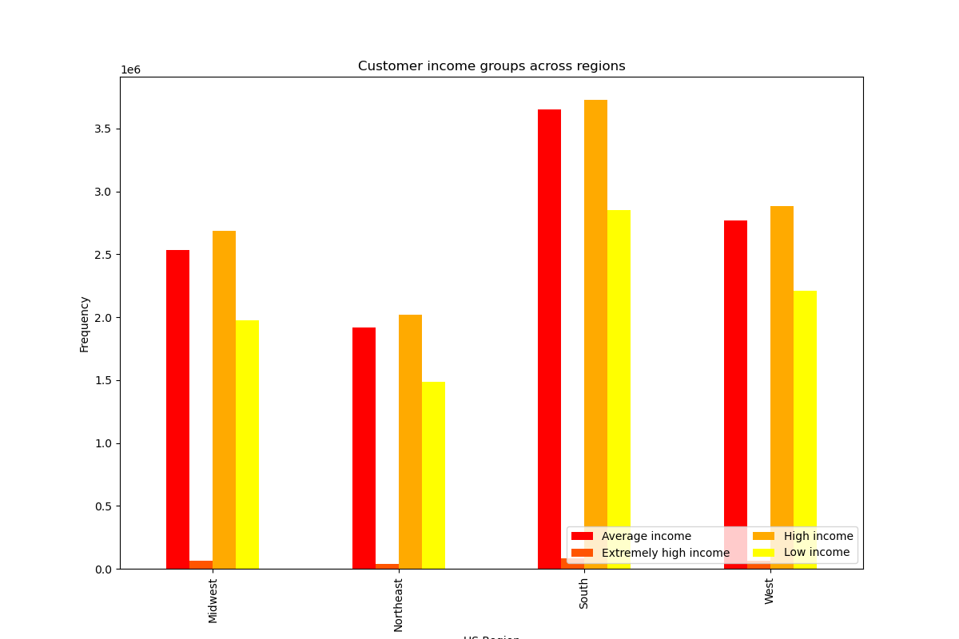
 |  | Age groups across regions |  |  |  | The bar charts show the relationships between regions and different demographic items. All four graphs illustrate how proportionally data is distributed among the regions, and how consistent profiles are across the regions. There is no influence of the regions on these profiles.

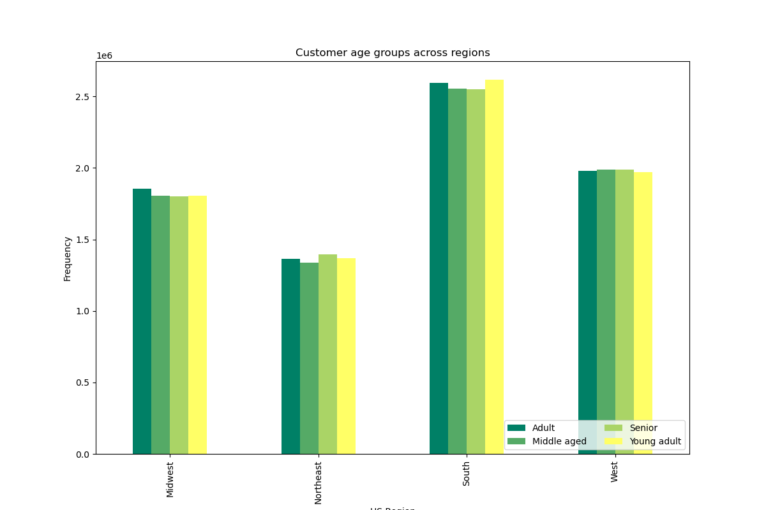

 |  |  |  |  |  | In general, in each region, there is a relatively equal division between the age groups in terms of customer numbers. Most of the customers of all ages live in the South, the lowest number of customers of all age groups is in Northeast.In the Midwest, the highest number of customers is represented by Adults, the lowest - by Seniors; in Northeast - the highest - by Seniors, the lowest - by Middle Aged; in South - the highest - by Young Adults, the lowest - by Seniors; in the West - the highest - by Middle Ages, the lowest - by Young Adults |  |  |  |  | **As expected, most of the customers with different types of income live in South (due to the fact that this region has the highest number of customers in general). There is a similar number of customers with Average and High incomes. There is also the largest number of people with low income and the highest number of people with extremely high income.
 |  |  |  |  |  |  |  |  |  |  | Midwest and West have similar stats, whereas Northeast has the lowest numbers in all income groups**

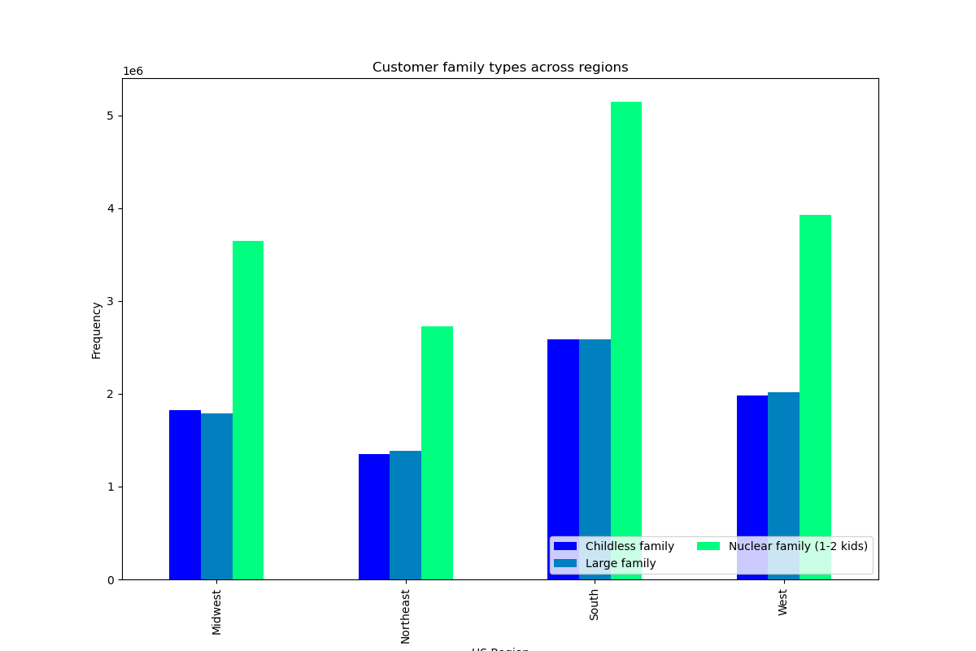
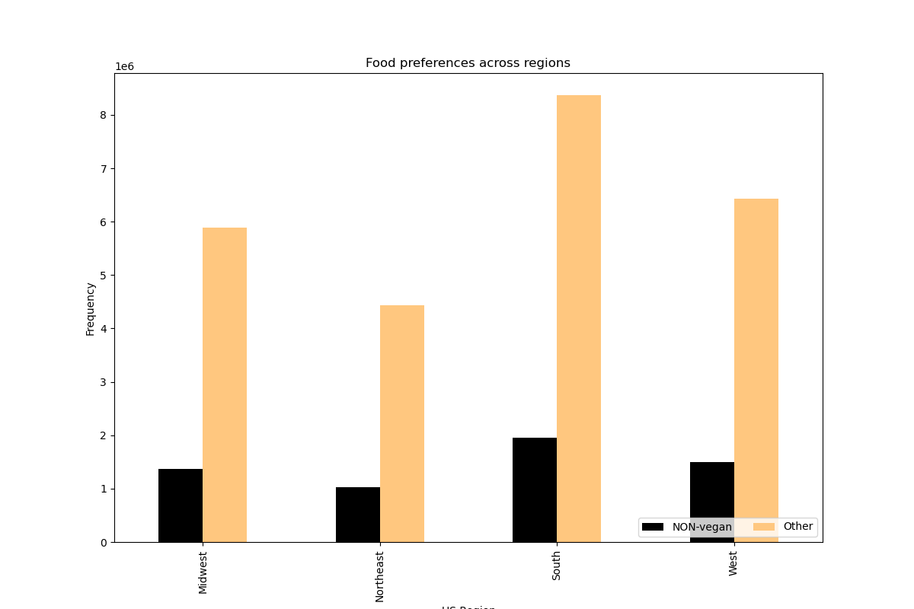

 |  |  |  |  |  | **In terms of ranking, the same situation is regarding family type/region relationship. |  |  |  |  | Most of the non-vegans and other live in the South. Interesting to look at the proportions of the groups in each region: 20/80 (Non-vegan/Other) across all regions.
 |  |  |  |  |  | In all regions, the number of childless families and large families is similar; there is a drastic difference between the number of nuclear families and large/childless families: in all regions there are two times more nuclear families than other family types.**

 |  |  |  |  |  |  |  |  | DEPARTMENTS

 |  |  |  |  |  |  |  |  | All bar charts illustrate relationship between different customer profiles and preffered products (departments). The relationships are quite consistent across the graphs. However, there are some interesting points I address in some comments to the graphs.

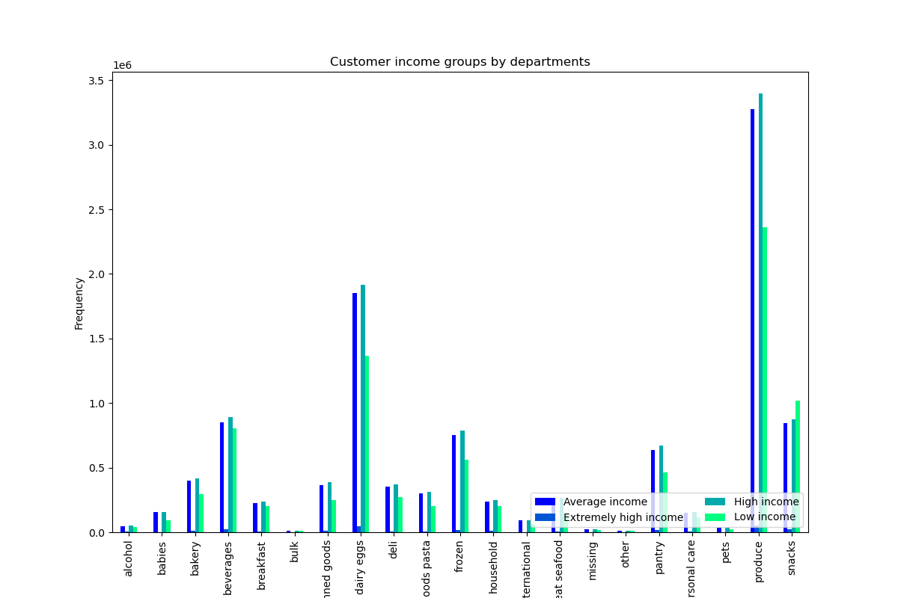

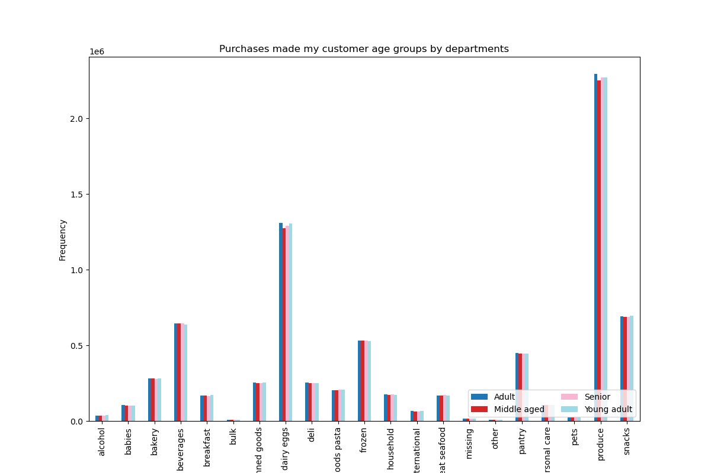

 |  |  |  |  |  |  |  |  |  |  |  |  |  | There are some differences in terms of income and produce preferences. High-income group buys more produce (37,4%) than average and low income groups (36% and 25,9% of total produce respectively. Customers with high income consume more products in each department in general than other income groups. However, in terms of snacks, low income group demonstrates the highest consumtion. In comparison to other groups, this group buys 37% of all snacks, high income group buys 31,5% of all snacks, and average income - a bit less. In respect with extremely high income group, its behaviour is consistent with the ranking of the departments in general.

 |  |  |  |  |  |  |  |  | In each department, there is no significant difference between the age groups. Department 4 (produce) is the most popular one for all age groups, with Adults leading in number of purchases (8% of all observations). It is followed by (dairy eggs - 4%) and snacks - 2%. Interestingly enough, young adults buy more alcohol quite significantly than other groups.

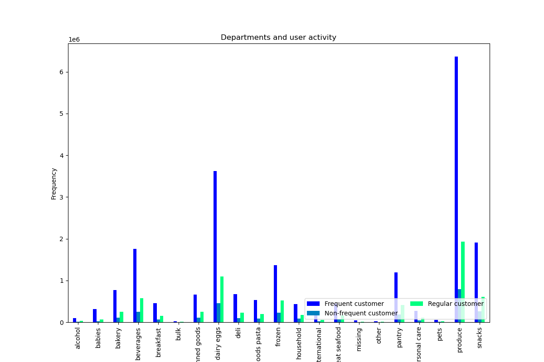
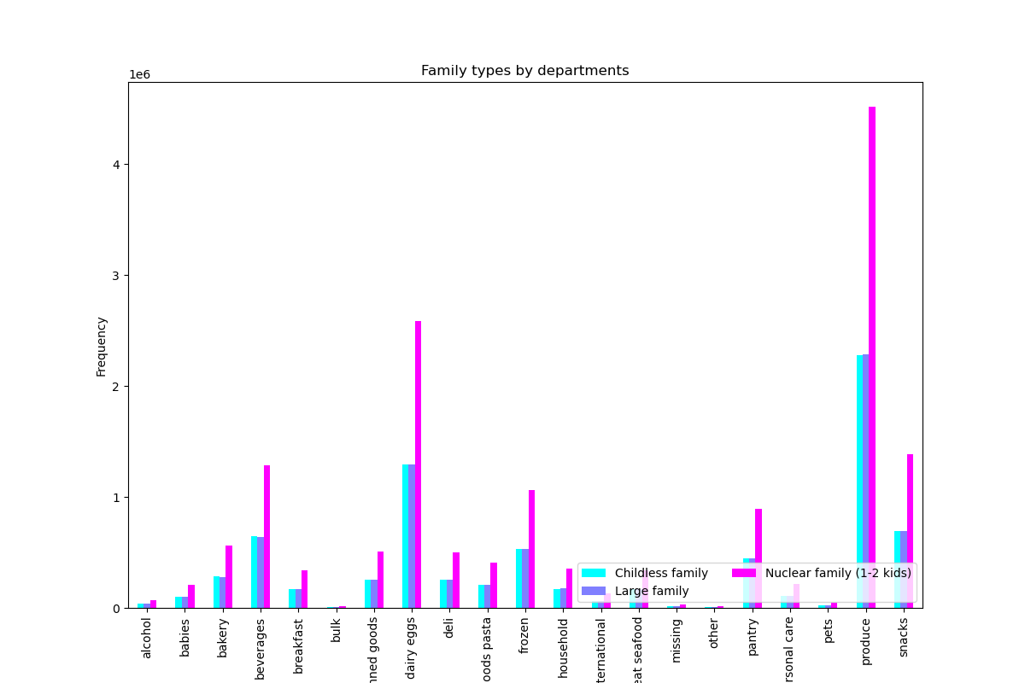

 |  |  |  |  |  |  |  |  | There is a consistent pattern in this relationship: large and childless families have the same consumer behavior across the departments. Nuclear families buy much more produce than other groups (50,5% against 25% and 25% respectively). Nuclear families also buy more dairy, eggs and beverages (also, 50% against 25% and 25%). |  |  |  |  |  | Frequent customers constitute the largest part of customers who buy produce (70% of all produce), followed by regular customers (21,2%). As expected, since frequent customers is the largest group in the user activity category, it buys the most in the most popular departments, such as dairy and eggs (69%), snacks (68,8%).

 |  |  |  |  |  |  |  |  | There are 2x more purchases by nuclear families in each department, but this is influenced by number of values (2x more than in other family groups). Large families consume more alcohol and dry goods pasta, and meat and seafood.

7.Recommendations
 |  |  |  |  |  |  |  |  | Title page
Recommendations
Visualisations

In this tab you should include any recommendations you would made to Instcart in terms of their marketing strategy based on the questions posed in the brief. Every key question has been covered in the Tasks of the Exercises - here you need to add an item - a visualisation or table/crosstable that is showing the answer in the data, acompanied by a comment from you. Please, list the questions below and add the answer underneath.

 | Business Question (BQ) 1. The sales team needs to know what the busiest days of the week and hours of the
 | day are (i.e., the days and times with the most orders) in order to schedule ads at
 | times when there are fewer orders.

 | The busiest days of week for Instacart orders

 |  |  |  |  | The busiest days are Saturday and Sunday. The least busy days are Tuesday and Wednesday. | RECOMMENDATION: make sure you have enough in stock on Saturday and Sunday to cover the demand; invest into push notifications and marketing campagnes to attract customers to order more during Tuesday and Wednesday (offer discounts and special offers).
 |  |  |  |  | Most of the orders (65,2%) happened between 10 am and 4 pm, with the peak at 10 am. | RECOMMENDATION: make sure you have enough in stock between 10am and 4pm, and delivery service employees are available and there are enough of them. Offer some discounts and create campaignes to attract more customers to order between average orders hours and fewest orders hours.

 | The busiest time during the day for Instacart

 |  |  |  |  |  | from 10am till 4pm - 'Most orders' from 11pm till 6 am - 'Fewest orders' else - 'Average orders'

 | BQ 2. They also want to know whether there are particular times of the day when people
 | spend the most money, as this might inform the type of products they advertise at
 | these times.

 | Spendings change during order times (hours of the day) |  |  | Spendings changes during a week

 |  |  |  |  |  | On Friday and Saturday, users tend to buy cheaper items, whereas as on Thursday prices get higher. | RECOMMENDATIONS: make expensive items visible on the home page of the app on Thursdays in the early hours. On Fridays and Saturdays, make sure to have enough in stock of cheap items to cover the demand, especially during the time they are in high demand. Also create discounts for expensive items during Fridays and Saturdays.
 |  |  |  |  |  | Users tend to buy more expensive items and buy more early in the morning, approx. between 6 and 7 am. Between 8am and 8pm there is no significant change in prices, from 8pm till 10pm people tend to buy cheaper items.

 | BQ 3. Instacart has a lot of products with different price tags. Marketing and sales want to
 | use simpler price range groupings to help direct their efforts.

 | Price ranges of products |  |  |  | Types of spenders

 |  |  |  |  |  |  | This pie chart shows the division between different types of sold products depending on the price. Most of the products that were sold were mid-range products (67,5%), which are those between 5$ and 15 $ per item. 31,2% are low-range products, those that are cheaper or equal 5$, only 1,3% consitute expensive items. | RECOMMENDATIONS: Since there is a demand for expensive goods, introduce a bit more high-range products and advertise them to gain more high spenders and increase the proportion of high-range products
 |  |  |  |  |  |  | Another pie chart demonstrates the division of users between low and high spenders depending on the mean prices.
 |  |  |  |  |  |  | There are 99,8% of users who prefer to pay less than 10$ for an item

 |  |  | ['prices'] <= 5 then 'Low-range product' ['prices'] > 5 and ['prices'] <= 15 then 'Mid-range product' ['prices'] > 15 then 'High-range product' |  | if ['mean_prices'] >=10 then 'High spender' if ['mean_prices'] < 10, then 'Low spender'

 | BQ 4. Are there certain types of products that are more popular than others? The marketing
 | and sales teams want to know which departments have the highest frequency of
 | product orders.

 | Products (departments) by popularity

 |  |  |  |  | Yes,The bar chart shows that there are 6 most popular product departments. Produce is the most popular one, with more than 8mln items sold, followed by dairy eggs (about 5mln items), snacks and beverages (ca.2-2,5 mln items), and frozen and pantry products. The least popular products belong to the departments bulk, other, pets. | RECOMMENDATIONS: add more items to the most popular departments to boost sales and advertise and offer promotions in the departments with a lower demand

 | BQ 5. What’s the distribution among users in regards to their brand loyalty (i.e., how
 | often do they return to Instacart)?
 |  |  |  |  |  |  |  |  |  |  |  |  | User activity by unique user_id

 | Brand loyalty |  |  |  |  |  | User activity

 |  |  |  |  | if 'max_order' > 40 then 'Loyal customer' if 'max_order' <= 40 and > 10 then ''Regular customer' if 'max_order' <= 10 then 'New customer' |  |  |  | if ['median_days_since_prior_order'] > 20, then 'Non-frequent customer' if ['median_days_since_prior_order'] > 10 and <= 20, then 'Regular customer' if ['median_days_since_prior_order'] <= 10, then 'Frequent customer' |  |  | In the original orders chart, regular is the highest, then loyal at ~60% of regular, then new at ~30% of regular. However, in the new .nunique() chart, the numbers are Loyal customer: 17017 New customer: 68750 Regular customer: 76864. The greatest segment is still the regular users, but the number of new customers is almost equivalent now, compared to before when it was 1/3 the value. |  |  | There are some differences with the analysis of user activity in absolute numbers of customers. The greatest segment is still the frequent users, but the number of regular customers is more than a half of frequent users now, compared to before when it was 1/3 the value. This could imply to the company should prioritize converting regular customers to frequent customers by trying to understand what the average user's habits are. Moreover, non-frequent customers constitute 1/2 of frequent customers (in the analysis with absolute numbers they constituted only 1/6), which means that the company has a large segment of non-frequent customers that should be paid attention to and converted first to regular customers by looking at the average user habits.

 |  |  |  |  | There are more than a half of regular customers on the platform. New customers constitute the smallest part. Loyal customers that ordered more than 40 times are 33,2%. In general, the brand loyalty is high: about 85% |  |  |  | The bar chart shows that most of the customers are frequent, which means that more than 2mln time orders were made in the next 10 days after the last order. Regular customers (those whose median number of days since prior order are between 10 and 20) are represented by almost 0,75mln observations. |  |  | RECOMMENDATIONS:This could imply to the company that they have a largely untapped new customer segment and should prioritize converting them to regular customers by trying to understand what the average user's habits are.
 |  |  |  |  | RECOMMENDATIONS: advertise more discounts and create special offers for new customers to make them stay on the platform and become regular or loyal customers. Create special offers for regular customers to make them order more often. Praise loyal customers with some perks (5$ for 3 orders/week, e.g.) |  |  |  | RECOMMENDATIONS: offer special perks to frequent customers to make them order more often. Offer discounts and advertise more (push notifications) to regular customers and especially non-frequent customers (e.g., a voucher or a free delivery for the next order).

 | BQ 6. Are there differences in ordering habits based on a customer’s loyalty status?

 | Brand loyalty and product preferences
 |  |  |  |  |  |  |  |  | Brand loyalty and spender type

 |  |  |  |  |  | Comment: Loyal customers often order produce, beverages, dairy eggs, frozen food and snacks. New and loyal customers also order produce most of the time, and dairy eggs as well. In general, item types that all groups prefer the most are similar across the groups. I conclude that loyalty does not play a big role when choosing specific products. |  |  |  |  | Comment: most of the low spenders are represented by regular customers, followed by loyal customers.
 |  |  |  |  |  | RECOMMENDATIONS: in general, add more items to the most popular departments to boost sales and advertise and offer promotions in the departments with a lower demand

 |  | Brand loyalty and user activity |  |  |  |  |  |  | Brand loyalty and price ranges
x

 |  |  |  |  |  | Frequent customers are represented by most of the loyal (slightly more than 1mln observations) and regular customers (slightly less than 1mln observations). Frequent and loyal customers are those who ordered within the next 10 days after their last orders and made more than 40 orders (frequent/loyal) in total; Frequent and regular customers who ordered within the next 10 days after their last orders and made between 10 and 40 orders in total. New customers are more of non-frequent customers. That menas that they made less than 10 orders in total and waited in general 20 days after their last orders. Regular customers (who made between 10 and 40 orders) constitute the biggest part of the regular user-activity customers (those who ordered after 10 - 20 days after their last orders). |  |  |  |  | Most of the users of all loyalty types prefer to buy mid-range products. Especially regular customers (more than 1mln observartions), followed by loyal customers (about 0,7mln observations). New customers represent about 0,3mln observations. Low-range products are distributed as follows: 0,5mln observations are represernteed by regular customers, 0,3mln - by loyal customers, and 0,1mln by new customers. High-range products are not very much in favour by all loyalty groups. In general, it seems that prices do not influence loyalty very much.
 |  |  |  |  |  | RECOMMENDATIONS:the same as for BQ 5. The goal is to increase the loyalty and frequency altogether.

 |  | BQ 7. Are there differences in ordering habits based on a customer’s region?

 |  |  |  |  |  |  | Regions and user activity
 | Regions and brand loyalty
 |  |  |  |  | GENERAL RECOMMENDATIONS: I don't think you on regions as there is no big influence of the location of buying habits. Probably, in order to level out the number of customers between the regions, you should advertise more in those regions where there are less customers in general. Offer discounts etc. |  |  |  | Again, here I cannot see any influence of regions on user activity. The number of user activity types are proportional to the numbers of users that live in the regions.

 |  |  |  |  | Comment:in each region, loyalty groups are distributed proportionally equaly. South has most of the regular customers, as well as of other groups. I don't think that location influences the brand loyalty much.

 | Regions and spender types

 |  |  |  |  | Comment: regions seem not to influence buying habits, as we can see that lower spenders kind of correspond to the proportions of all customers in the regions. Since the most customers live in South, the highest number of low spenders live here too.

 | 10. Connection between customers' age and number of dependants

 |  | BQ 8. Is there a connection between age and family status in terms of ordering
 |  | habits?

 |  |  |  |  | There are more dependants of the people of age 60 and approx. 65. Between 20 and 60, the number of dependants is lower. However, there is no big tendency here. No strong relantionship can be seen between the two variables.

 |  | BQ 9. What different classifications does the demographic information suggest?
 |  | Age? Income? Certain types of goods? Family status?
 |  |  |  |  |  |  |  |  |  |  | Correlation between income and age

 | Customer age groups
 |  |  |  |  |  |  | Customer income groups

 |  |  |  |  |  |  |  | if ['income'] < 70000, then 'Low income' if ['income'] >= 70000 and <= 110000, then 'Average income' if ['income'] > 110000 and <= 200000, then 'High income' if ['income'] > 200000, then 'Extremely high income' |  |  |  | The chart shows the correlation between age and income. Starting with age 40, income gets higher: there is a big proportion of people earning between 200,000 and 300,000 who are between 40 and 80 y.o..There are no people who earn more than 400,000 and who are younger than 40. However, there is a proportion of 20-40 y.o. people who earn between 200,000 and 400,000. Nevertheless, the majority of incomes still lie under 200,000.
 |  |  |  |  | Comment: the age groups are almost equal in their sizes.
 |  |  |  |  |  |  |  | The majority of the customers have a high or average income, followed by low income. Extremely high income is met very seldom in the data | RECOMMENDATIONS: attract more customers with extremely high income by offering exqusite produce. However, a research on preferences from this customer group should be done beforehand. Attract more customer with low income by offering discounts and introducing a section in the app with only cheap items. |  |  | RECOMMENDATIONS: you can think about promoting more expensive items to older generations, and cheaper items - to younger ones, who earn less.

 | Family types |  |  |  |  |  | Food preferences
 |  |  |  |  |  |  |  |  |  |  | Food preferences by unique user:id

 |  |  |  |  | if ['Number of dependants'] == 0, then 'Childless family' if ['Number of dependants'] > 0 and <= 2, then 'Nuclear family (1-2 kids)' ['Number of dependants'] >= 3, then 'Large family' |  |  |  | Comment: only about 19% of orders feautured meat or dairy products. |  |  | In comparison with the analysis of food preferences by number of customers, the analysis of food preferences by unique user_ids showed that the proportions of unique customers who are non-vegan and vegans are almost equal.
 |  |  |  |  | Comment: there is almost 50% of customers from nuclear families. Other two types divide other 50% almost equaly between each other |  |  |  | I wouldn't recommend anything here. I think, the data only allows to see which customers are definitely not vegans. However, looking on other departments, one can assume that they can include both: vegan,vegetarian and non-vegan products. I think, a more detailed research looking at specific product items should be done to understand the diet preferences. |  |  | Same recommendations as in the analysis of absolute numbers of customers
 |  |  |  |  | RECOMMENDATIONS: create campaigns targeted on childless families and younger generations, as well as on large families. The latter would appreciate discounts for large purchases.

 |  | BQ 10. What differences can you find in ordering habits of different customer
 |  | profiles? Consider the price of orders, the frequency of orders, the products
 |  | customers are ordering, and anything else you can think of.

 |  |  |  |  |  | REGIONS

 |  |  |  |  |  | The bar charts show the relationships between regions and different demographic items. All four graphs illustrate how proportionally data is distributed among the regions, and how consistent profiles are across the regions. There is no influence of the regions on these profiles.
 |  |  |  |  |  | GENERAL RECOMMENDATIONS: As mentioned in my answer to BQ 7, I don't think you on regions as there is no big influence of the location of buying habits. Probably, in order to level out the number of customers between the regions, you should advertise more in those regions where there are less customers in general. Offer discounts etc.

 |  |  |  |  |  |  |  |  |  |  | **As expected, most of the customers with different types of income live in South (due to the fact that this region has the highest number of customers in general). There is a similar number of customers with Average and High incomes. There is also the largest number of people with low income and the highest number of people with extremely high income.
 |  |  |  |  |  | In general, in each region, there is a relatively equal division between the age groups in terms of customer numbers. Most of the customers of all ages live in the South, the lowest number of customers of all age groups is in Northeast.In the Midwest, the highest number of customers is represented by Adults, the lowest - by Seniors; in Northeast - the highest - by Seniors, the lowest - by Middle Aged; in South - the highest - by Young Adults, the lowest - by Seniors; in the West - the highest - by Middle Ages, the lowest - by Young Adults |  |  |  |  | Midwest and West have similar stats, whereas Northeast has the lowest numbers in all income groups**

 |  |  |  |  |  | **In terms of ranking, the same situation is regarding family type/region relationship. |  |  |  |  | Most of the non-vegans and other live in the South. Interesting to look at the proportions of the groups in each region: 20/80 (Non-vegan/Other) across all regions.

 |  |  |  |  |  | In all regions, the number of childless families and large families is similar; there is a drastic difference between the number of nuclear families and large/childless families: in all regions there are two times more nuclear families than other family types.**

 |  |  |  |  |  |  |  |  |  | DEPARTMENTS

 |  |  |  |  |  |  |  |  |  | All bar charts illustrate relationship between different customer profiles and preffered products (departments). The relationships are quite consistent across the graphs. However, there are some interesting points I address in some comments to the graphs. | RECOMMENDATIONS: in general, add more items to the most popular departments to boost sales and advertise and offer promotions in the departments with a lower demand

 |  |  |  |  |  |  |  | In each department, there is no significant difference between the age groups. Age doesnt seem to influence the popularity of departments. Department 4 (produce) is the most popular one for all age groups, with Adults leading in number of purchases. It is followed by beverages and snacks . Interestingly enough, young adults buy more alcohol quite significantly than other groups. |  |  |  |  | There are some differences in terms of income and produce preferences. High-income group buys more produce (37,4%) than average and low income groups (36% and 25,9% of total produce respectively). Customers with high income consume more products in each department in general than other income groups. However, in terms of snacks, low income group demonstrates the highest consumtion. In comparison to other groups, this group buys 37% of all snacks, high income group buys 31,5% of all snacks, and average income - a bit less. In respect with extremely high income group, its behaviour is consistent with the ranking of the departments in general.
 |  |  |  |  |  |  |  |  |  |  |  |  | RECOMMENDATIONS:as inBQ 9

 |  |  |  |  |  |  |  |  |  |  |  |  |  | Frequent customers constitute the largest part of customers who buy produce (70% of all produce), followed by regular customers (21,2%). As expected, since frequent customers is the largest group in the user activity category, it buys the most in the most popular departments, such as dairy and eggs (69%), snacks (68,8%).

 |  |  |  |  |  |  |  |  | There is a consistent pattern in this relationship: large and childless families have the same consumer behavior across the departments. Nuclear families buy much more produce than other groups (50,5% against 25% and 25% respectively). Nuclear families also buy more dairy, eggs and beverages (also, 50% against 25% and 25%). |  |  |  |  | RECOMMENDATIONS: as in BQ 5

 |  |  |  |  |  |  |  |  | There are 2x more purchases by nuclear families in each department, but this is influenced by number of values (2x more than in other family groups). Large families consume more alcohol and dry goods pasta, and meat and seafood.

 |  |  |  |  |  |  |  |  | RECOMMENDATIONS: the same as in BQ 9.

